Overall
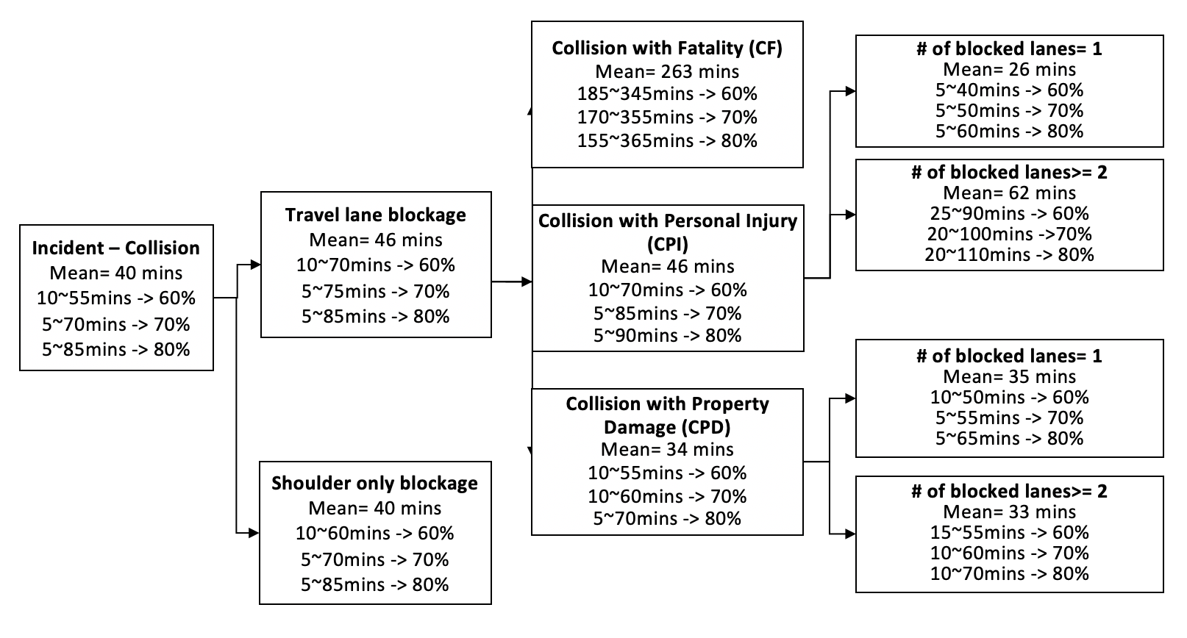

CPI-1
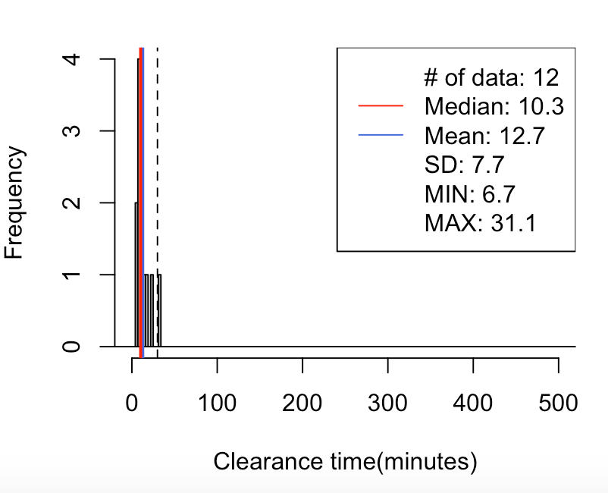
CPI-1 Lane-1
70% | 0-25
80% | 0-30

29// mean=13, median=10, SD=8, x=[7, 31], [-30, 30)-> 92%(11/12)
5% 10% 15% 20% 80% 85% 90% 95%
6.7 6.8 7.0 7.1 16.4 19.5 23.0 27.0

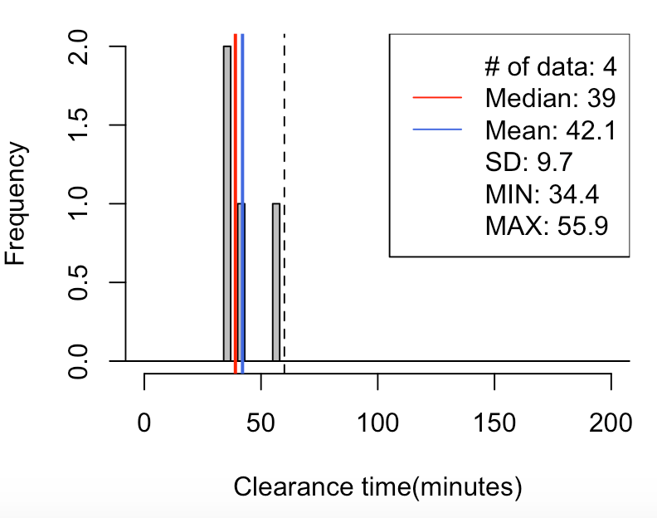

CPI-1 Lane-2
70% | 30-55
80% | 30-60

29// mean=42, median=39, SD=10, x=[34, 56], [-60, 60)-> 100%(4/4)
5% 10% 15% 20% 80% 85% 90% 95%
34.7 35.0 35.4 35.7 47.2 49.3 51.5 53.7

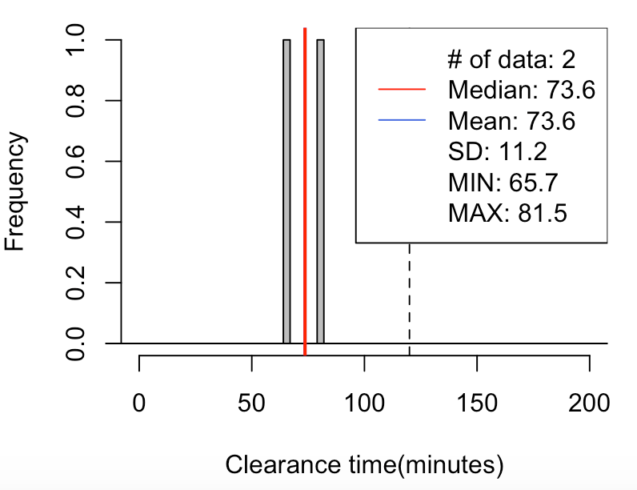

CPI-1 Lane-3
70% | 60-85
80% | 60-90

29// mean=74, median=74, SD=11, x=[66, 82], [-120, 120)-> 100%(2/2)
5% 10% 15% 20% 80% 85% 90% 95%
66.5 67.3 68.1 68.9 78.4 79.1 79.9 80.7

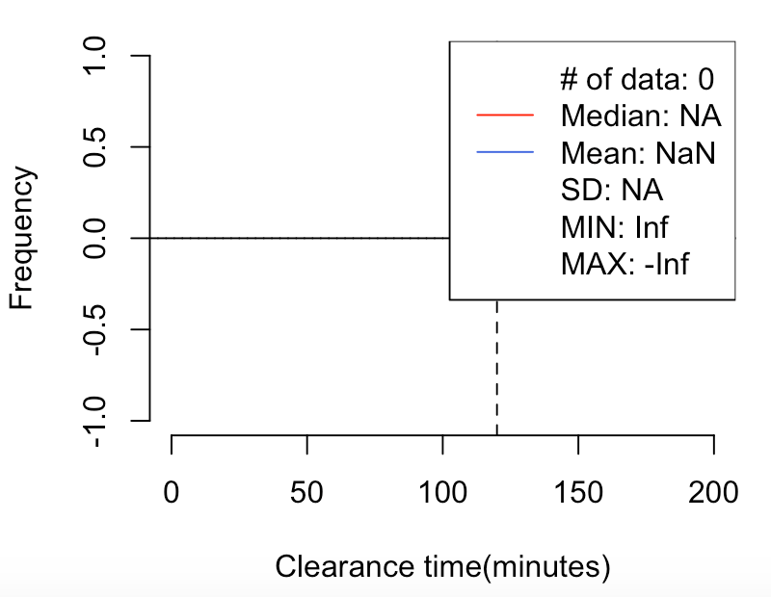

CPI-1 Lane-4
100% | >120

29// mean=NaN, median=NA, SD=NA, x=[Inf, -Inf], [120, 1200)-> NaN%(0/0)

CPI-2
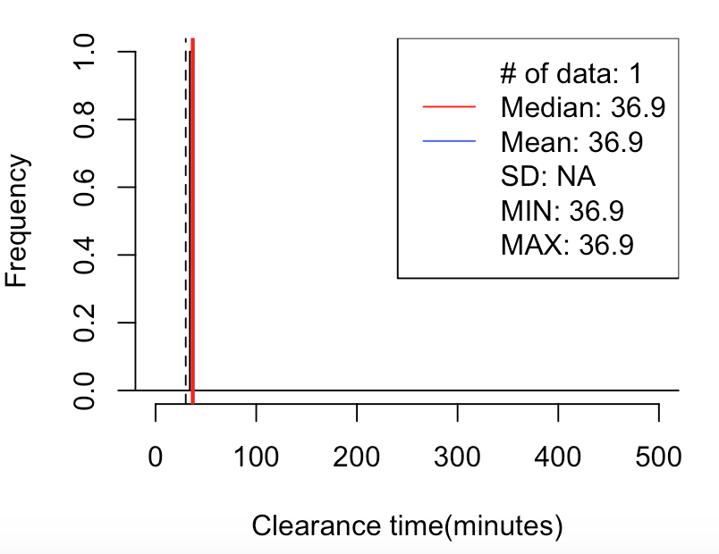
CPI-2 Lane-1
60% | 25-45
100% | 0-45

29// mean=37, median=37, SD=NA, x=[37, 37], [-30, 30)-> 0%(0/1)
5% 10% 15% 20% 80% 85% 90% 95%
36.9 36.9 36.9 36.9 36.9 36.9 36.9 36.9

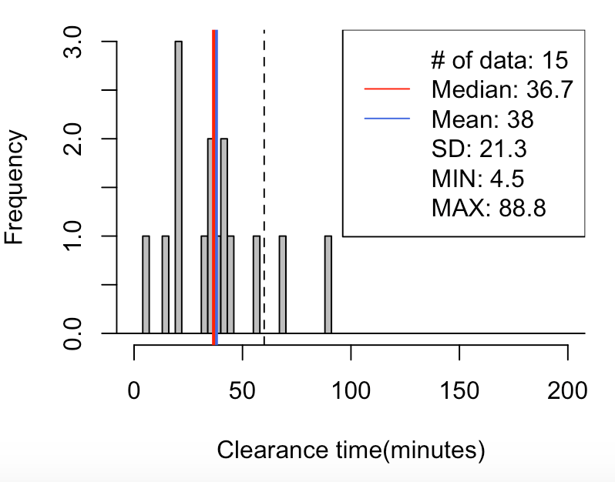
CPI-2 Lane-2
60% | 15-55
70% | 15-60
80% | 10-70
29// mean=38, median=37, SD=21, x=[4, 89], [-60, 60)-> 87%(13/15)
5% 10% 15% 20% 80% 85% 90% 95%
12.3 17.8 21.2 21.6 47.8 54.8 62.8 73.8

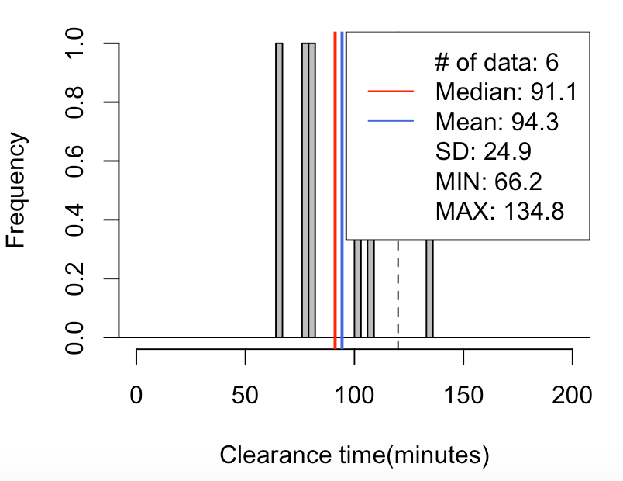
CPI-2 Lane-3
60% | 70-115
70% | 65-120
80% | 65-130
29// mean=94, median=91, SD=25, x=[66, 135], [-120, 120)-> 83%(5/6)
5% 10% 15% 20% 80% 85% 90% 95%
68.7 71.1 73.6 76.1 106.6 113.6 120.7 127.8

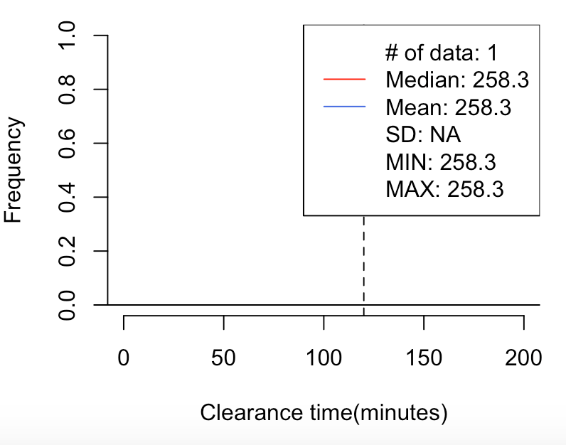

CPI-2 Lane-4
100% | >120

29// mean=258, median=258, SD=NA, x=[258, 258], [120, 1200)-> 100%(1/1)
5% 10% 15% 20% 80% 85% 90% 95%
258.3 258.3 258.3 258.3 258.3 258.3 258.3 258.3

CPD-1
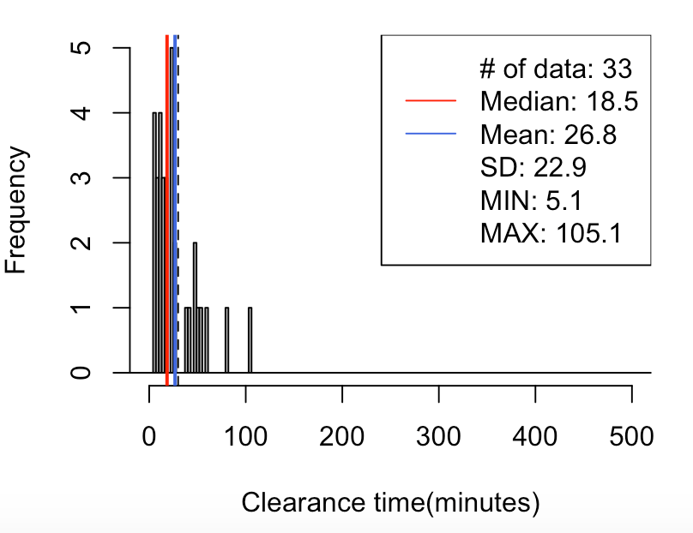
CPD-1 Lane-1
60% | 5-55
70% | 5-60
80% | 5-75
29// mean=27, median=18, SD=23, x=[5, 105], [-30, 30)-> 73%(24/33)
5% 10% 15% 20% 80% 85% 90% 95%
5.7 6.8 9.3 10.0 43.9 48.7 52.1 67.3

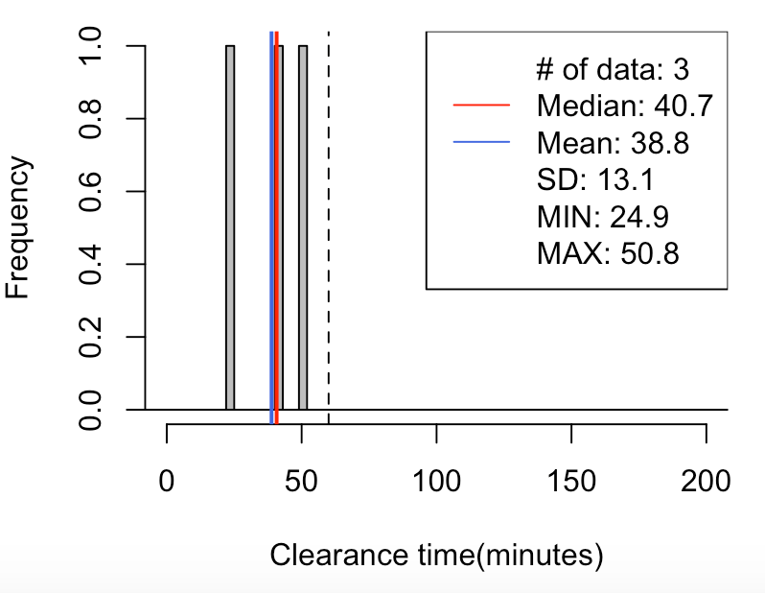
CPD-1 Lane-2
70% | 25-55
80% | 20-55

29// mean=39, median=41, SD=13, x=[25, 51], [-60, 60)-> 100%(3/3)
5% 10% 15% 20% 80% 85% 90% 95%
26.5 28.1 29.7 31.3 46.8 47.8 48.8 49.8

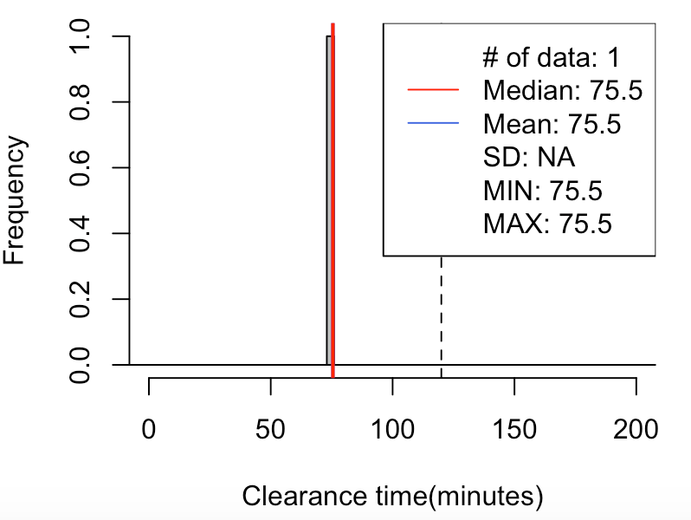

CPD-1 Lane-3
100% | 60-120

29// mean=75, median=75, SD=NA, x=[75, 75], [-120, 120)-> 100%(1/1)
5% 10% 15% 20% 80% 85% 90% 95%
75.5 75.5 75.5 75.5 75.5 75.5 75.5 75.5



CPD-1 Lane-4
100% | >120
29// mean=270, median=270, SD=NA, x=[270, 270], [120, 1200)-> 100%(1/1)
5% 10% 15% 20% 80% 85% 90% 95%
270.4 270.4 270.4 270.4 270.4 270.4 270.4 270.4

CPD-2
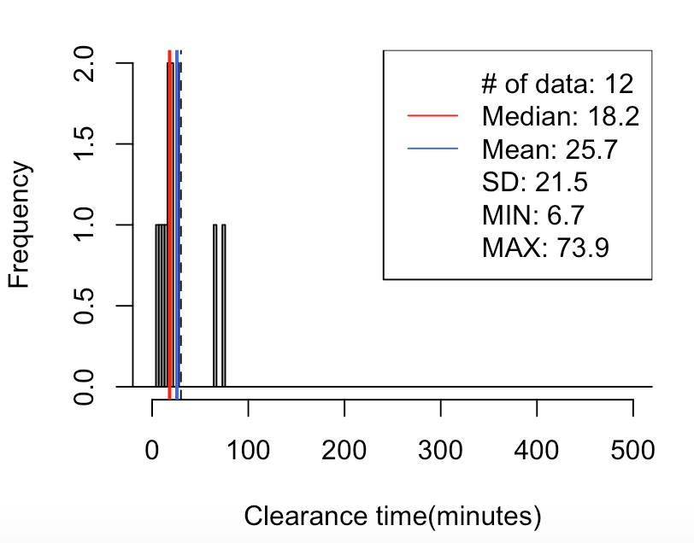
CPD-2 Lane-1
60% | 5-35
70% | 5-50
80% | 5-70
29// mean=26, median=18, SD=21, x=[7, 74], [-30, 30)-> 83%(10/12)
5% 10% 15% 20% 80% 85% 90% 95%
8.5 10.2 11.6 12.9 26.6 40.4 61.9 69.5

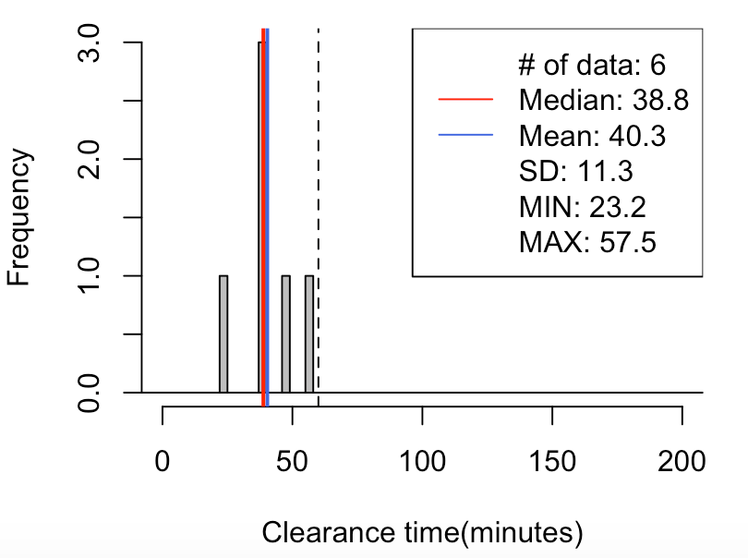
CPD-2 Lane-2
60% | 30-55
70% | 25-55
80% | 25-60
29// mean=40, median=39, SD=11, x=[23, 57], [-60, 60)-> 100%(6/6)
5% 10% 15% 20% 80% 85% 90% 95%
26.7 30.3 33.8 37.4 46.4 49.2 51.9 54.7

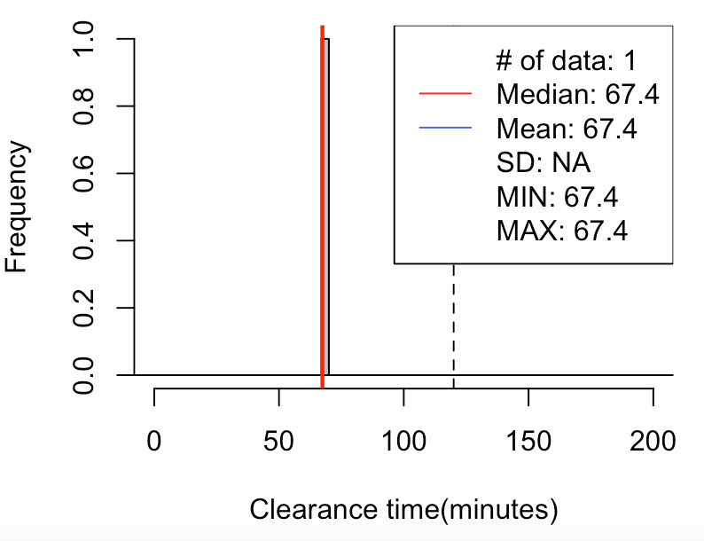
CPD-2 Lane-3
100% | 60-120

29// mean=67, median=67, SD=NA, x=[67, 67], [-120, 120)-> 100%(1/1)
5% 10% 15% 20% 80% 85% 90% 95%
67.4 67.4 67.4 67.4 67.4 67.4 67.4 67.4

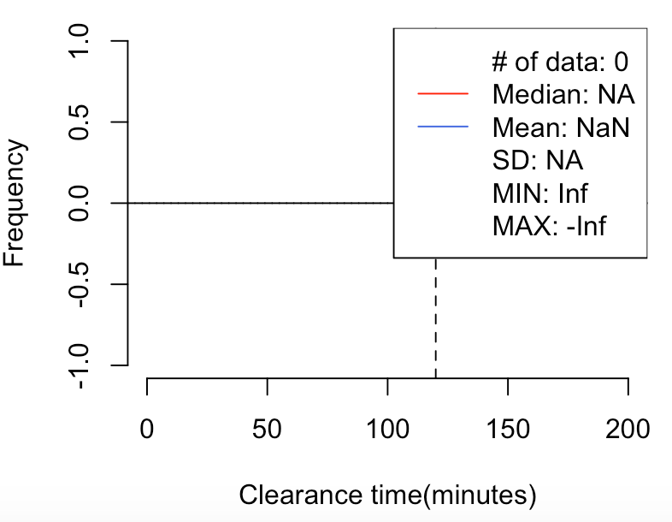

CPD-2 Lane-4
100% | >120
29// mean=NaN, median=NA, SD=NA, x=[Inf, -Inf], [120, 1200)-> NaN%(0/0)

